Hyp Test
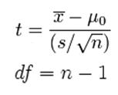
Alpha Level
Observed Mean
Hypothesized Mean
Sample Standard Deviation
Sample Size
Square Root of Sample Size
Test Statistic Numerator
Test Statistic Denominator
Test Statistic
Degrees of Freedom

p-value
critical value

